DOF Fund
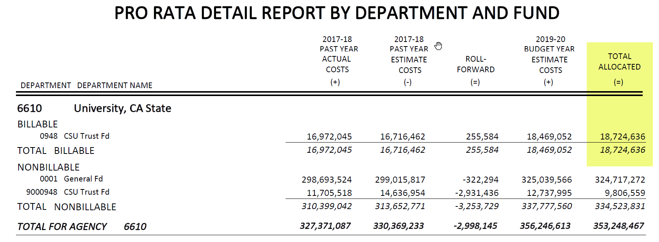

This represents the 2019-20 State Pro Rata.

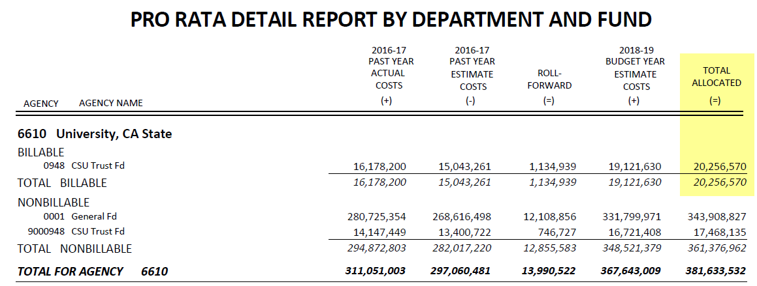

This represents the 2018-19 State Pro Rata.

